Folha1
Code Summary:
We import the util.Scanner and util.Random packages for the methods used in the methods
The first portion of this code is the menu output.
The menu will output, and any input by the user will assign to the variable ´num´.
This is then followed by cascading if statements, will excecute if the ´num´ variable is equal to the menu options 1-8
If any number 1-8 is entered, the cooresponding method is run as per the previous excercises.
If any other number is inputted then the code with output a message to ask the user for another, valid input
When a valid input is entered, the respective mehtod will run and once this nethod has run through the menu and Scanner will reappear to the screen

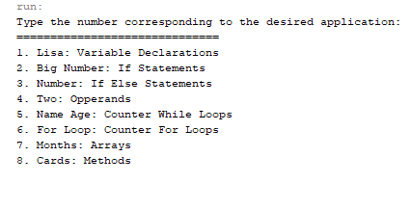
 | When the code is compiled and run:
 |  | Valid Inputs |  | Their Expected Results
 |  | 1 | = | Lisa method will excecute
 |  | 2 | = | BigNumber method will excecute
 |  | 3 | = | Number method will excecute
 |  | 4 | = | Two method will excecute
 |  | 5 | = | NameAge Method will excecute
 |  | 6 | = | ForLoop method will excecute
 |  | 7 | = | Months method will excecute
 |  | 8 | = | Cards will excecute

 | Expected inputs: numbers 1 through 8
 | Invaid inputs: Any number greater than 8 or less than 1

 | If the expected input is entered: we expect to run that method through once, then once again output the menu.
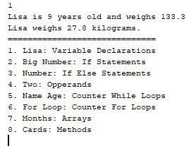
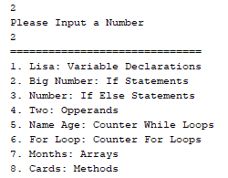
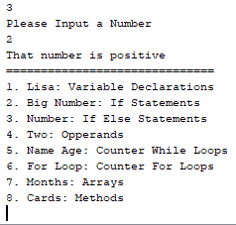

 | Actual Output: The number is entered it will output the method of Lisa, and then outputs the menuonce again.

 | If an invalid input is entered: we expect to trigger the last if statement then we will output a message sayinf such, then once again output the menu.

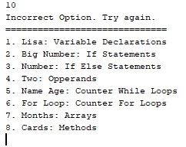

 | Actual Output: The code will output the message and make ready for another input

Code Conclusion:
The code excecutes as expected in all scenarios, with no visible bugs or issues

